Sheet1
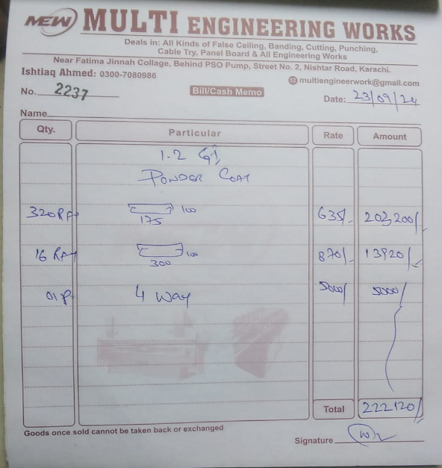


M/S IK Associates |  |  |  |  |  |  |  | 2024-09-25

Project: DHL Office, Fortune Center, Karachi

Attn: Mr. Taha Ghaznavi

Variation order No 3
Revised variation order for 18 SWG Cable tray

S. # | Description | Material Rate | Labour Rate | Over Head profit 28% | Total Rates | Unit | Qty | Amount
1 | Providing and installation of cable tray 8" x 4" at following areas:
i | for Multipurpose hall passage | 635 | 180 | 228 | 1,043 | Rft | 132 | 137,702
ii | Boardroom passage | 635 | 180 | 228 | 1,043 | Rft | 45 | 46,944
iii | Bathroom side passage | 635 | 180 | 228 | 1,043 | Rft | 60 | 62,592
iv | Skylight Passage | 635 | 180 | 228 | 1,043 | Rft | 60 | 62,592
v | Meeting pods passage | 635 | 180 | 228 | 1,043 | Rft | 25 | 26,080
2 | Providing and installation of cable tray 12" x 4" | 870 | 200 | 300 | 1,370 | Rft | 15 | 20,544
3 | Supply and installation of 4 way tee. | 5,000 | 500 | 1,540 | 7,040 | No | 1 | 7,040
4 | Hangers and supports with ralated fittings such as elbow, tee including fabricarion and weldling work. | 75,000 | 15,000 | 25,200 | 115,200 | Job | 1 | 115,200
Total Amount Rs. |  |  |  |  |  |  |  | 478,694

Note: Vendor quotation attached

Thanking you,

For PIONEER ENGINEERING SERVICES.

Bilal Habib

